Intro
Data Analysis & Interactive Reports
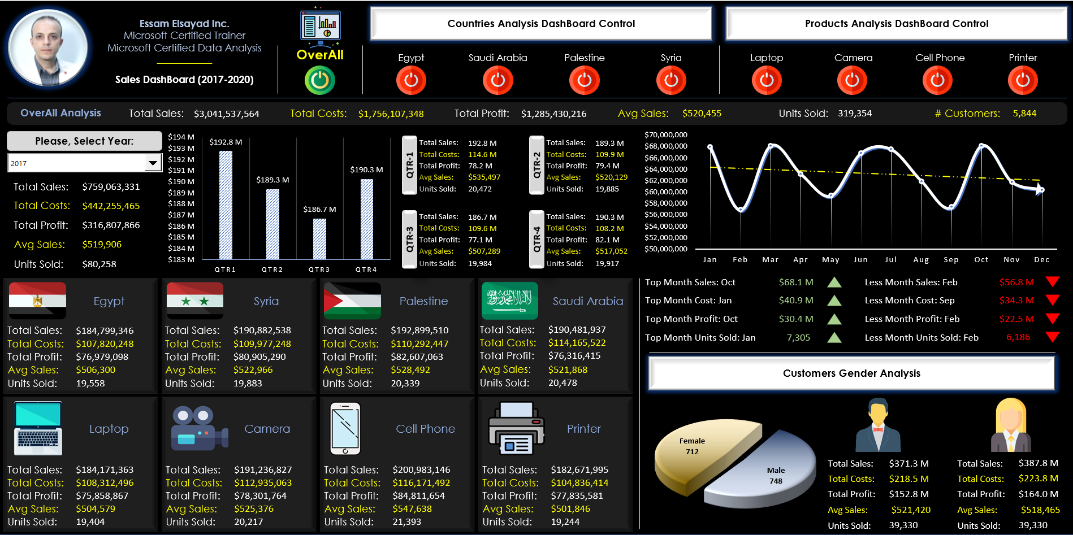

Essam Elsayad (MCT, MCDA, MVP, MOSE & FMVA)

https://twitter.com/EssamMCT

Www.youtube.com/c/EssamElsayad

t.me/EsamElsayad

Important!
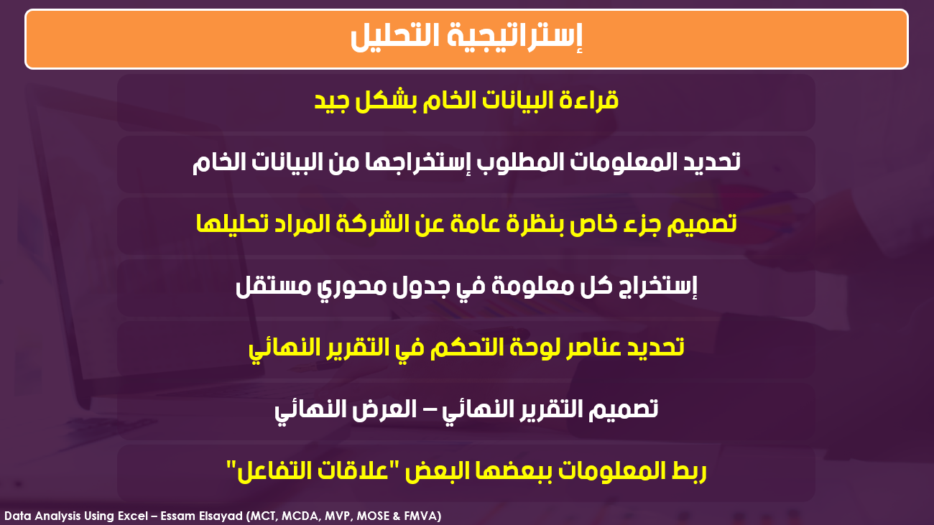

Final DashBoard
Essam Elsayad Inc.
Microsoft Certified Trainer
OverAll Analysis
Please, Select Year:

Total Sales
Total Costs
Total Profit
Avg Sales
Units Sold
# Male
# Female
Sales DashBoard (2017-2020)
Total Sales:
QRT-1
Total Sales:
Total Costs:
QRT-3
Total Sales:
Total Costs:
Total Costs:
Total Profit:
Avg Sales:
Total Profit:
Avg Sales:
Units Sold:
Units Sold:
Total Profit:
Total Sales:
QRT-2
QRT-4
Total Sales:
Avg Sales:
Total Costs:
Total Profit:
Total Costs:
Total Profit:
Units Sold:
Avg Sales:
Avg Sales:
Units Sold:
Units Sold:
Country Data Analysis
Product Data Analysis

Egypt
Palestine
Cell Phone
Camera

Total Sales:
Total Sales:
Total Sales:
Total Sales:
Total Costs:
Total Costs:
Total Costs:
Total Costs:
Total Profit:
Total Profit:
Total Profit:
Total Profit:
Units Sold:
Avg Sales:
Units Sold:
Avg Sales:
Units Sold:
Avg Sales:
Units Sold:
Avg Sales:

Saudi Arabia
Syria
Laptop
Printer

Total Sales:
Total Sales:
Total Sales:
Total Sales:
Total Sales:
Total Sales:
Total Costs:
Total Costs:
Total Costs:
Total Costs:
Total Costs:
Total Profit:
Total Costs:
Total Profit:
Total Profit:
Avg Sales:
Total Profit:
Avg Sales:
Total Profit:
Avg Sales:
Total Profit:
Avg Sales:
Avg Sales:
Avg Sales:
Units Sold:
Units Sold:
Units Sold:
Units Sold:
Units Sold:
Units Sold:

